Search Results
Search Results |  | Total | 31

Number | Visual representation | Words | Status | Goods & Services classes | Owner
348265 |  | TASMANIAN DEVIL | Registered: Registered/protected | 28 | JM GILLIES AGENCIES PTY LTD
371395 | 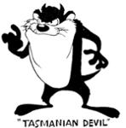 | TASMANIAN DEVIL | Registered: Registered/protected | 28 | Warner Bros. Entertainment Inc.
524394 |  | TASMANIAN DEVIL | Registered: Renewal due | 9 | Warner Bros. Entertainment Inc.
524395 | 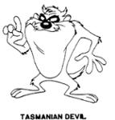 | TASMANIAN DEVIL | Registered: Renewal due | 16 | Warner Bros. Entertainment Inc.
524396 |  | TASMANIAN DEVIL | Registered: Renewal due | 25 | Warner Bros. Entertainment Inc.
524397 |  | TASMANIAN DEVIL | Registered: Renewal due | 28 | Warner Bros. Entertainment Inc.
524398 |  | TASMANIAN DEVIL | Registered: Renewal due | 41 | Warner Bros. Entertainment Inc.
787696 | 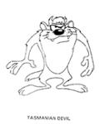 | TASMANIAN DEVIL | Registered: Registered/protected | 14 | Warner Bros. Entertainment Inc.
888052 | 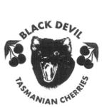 | BLACK DEVIL TASMANIAN CHERRIES | Registered: Registered/protected | 31 | Ocean Lennonville Pty Ltd
1017179 | 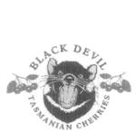 | BLACK DEVIL TASMANIAN CHERRIES | Registered: Registered/protected | 31 | Australia Kwok Kim Investment Pty Ltd
1567068 | 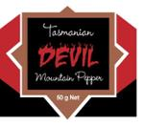 | TASMANIAN DEVIL MOUNTAIN PEPPER TASMANIAN DEVIL MOUNTAIN PEPPERCORNS TASMANIAN DEVIL MOUNTAIN PEPPERBERRIES | Registered: Registered/protected | 30 | Andrew Charles Rath
1878752 |  | TASMANIAN DEVIL | Registered: Registered/protected | 30 | Andrew Charles Rath
2678295 |  | RED ROO 100% PREMIUM HAND CRAFTED AUSTRALIAN VODKA 5X CHARCOAL DISTILLED 10X CARBON FILTERED GLUTEN FREE 37.5% ALC/VOL 100% AUSTRALIA MR GOLD MELBOURNE ROYAL 2024 AUSTRALIAN DISTILLED SPIRIT AWARDS KOOKABURRA ECHIDNA KANGAROO KOALA TASMANIAN DEVIL WOMBAT PLATYPUS SUGAR GLIDER TIGER QUOLL | Published: Awaiting examination | 33 | ROO SHOOTER PTY LTD
620650 |  | TASMANIAN DEVIL | Removed - Not renewed: Renewal fee not paid | 29 | Lactos Pty Ltd
820478 |  | TASMANIAN DEVIL NUTS | Removed - Not renewed: Renewal fee not paid | 29 | Antony Brian Joyce
930948 |  | TASMANIAN DEVIL BALM TASSIE DEVIL BALM | Removed - Not renewed: Renewal fee not paid | 3 | Louis Charles Mamo; Frances Christine Mamo
934261 | 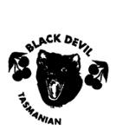 | BLACK DEVIL TASMANIAN | Removed - Not renewed: Renewal fee not paid | 29, 30, 31, 32, 33 | Dumarchand Holdings Pty Ltd
986361 |  | TASMANIAN DEVILS | Removed: Non-use | 25 | Tasmania Football Club Limited
989241 | 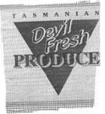 | TASMANIAN DEVIL FRESH PRODUCE | Removed - Not renewed: Renewal fee not paid | 31 | Adrian John Pinner
1685961 |  | DIGBY THE TASMANIAN DEVIL | Removed - Not renewed: Renewal fee not paid | 3, 9, 10, 16, 25, 28, 41 | Dematin Pty Ltd
1697720 |  | TASMANIAN DEVIL'S BALLS | Removed - Not renewed: Renewal fee not paid | 33 | Donald Walker; Marcus Walker
1719703 |  | TASMANIAN DEVIL AIR | Removed - Not renewed: Renewal fee not paid | 39, 43 | Donald Walker; Marcus Walker
409438 | 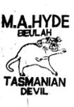 | M.A. HYDE TASMANIAN DEVIL | Lapsed: Not accepted | 31 | Milton Alexander Hyde
434591 |  | TASMANIAN DEVIL DRAUGHT BEER | Lapsed: Not accepted | 32 | John H. Bradner
445099 |  | TASMANIAN DEVIL DUNG TASSSIE DEVIL DUNG | Lapsed: Not accepted | 16 | Central Office Services.
1057128 |  | Tasmanian Devil Poo | Lapsed: Not accepted | 30 | Graham Byrne
1181576 |  | st.patricks tasmanian ice devil | Lapsed: Registration fee not paid on time | 30 | Stephen Hickmott
1185481 |  | Save the Tasmanian Devil | Lapsed: Not accepted | 35, 41 | Tourism Tasmania
1215238 |  | TASMANIAN DEVIL DUNG | Lapsed: Not accepted | 28 | Sue Catherine Johns
1365585 | 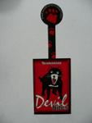 | TASMANIAN DEVIL BITES PROUD SPONSOR OF DEVIL ISLAND PROJECT | Lapsed: Registration fee not paid on time | 18, 21, 25, 30 | Gwyneth Jenkinson; Linda Young
2353682 |  | Tasmanian Devils Football Club | Lapsed: Not accepted | 25, 41 | Echuca Painting Pty Ltd

