Search Results
Search Results |  | Total | 23

Number | Visual representation | Words | Status | Goods & Services classes | Owner
179521 |  | BERTOLLI | Registered: Registered/protected | 29 | Mizkan America, Inc
313744 |  | BERTOLLI | Registered: Registered/protected | 30 | Mizkan America, Inc
966110 |  | BERTOLLI GENTILE | Registered: Registered/protected | 29, 30 | Mizkan America, Inc
966118 |  | BERTOLLI EXTRA LIGHT | Registered: Registered/protected | 29, 30 | Mizkan America, Inc
966185 |  | BERTOLLI DELICATO | Registered: Registered/protected | 29, 30 | Mizkan America, Inc
966205 |  | BERTOLLI CLASSICO | Registered: Registered/protected | 29, 30 | Mizkan America, Inc
966207 |  | BERTOLLI | Registered: Registered/protected | 29 | Mizkan America, Inc
967150 |  | BERTOLLI TRADIZIONALE | Registered: Registered/protected | 29, 30 | Mizkan America, Inc
1025761 |  | BERTOLLI DAL 1865 | Registered: Registered/protected | 29, 30 | Mizkan America, Inc
1107925 |  | BERTOLLI EXTRA VERGINE OLIO DI OLIVA ORIGINALE | Registered: Expired renewal possible | 29 | Mizkan America, Inc
1430017 | 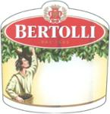 | BERTOLLI DAL 1865 | Protected: Registered/protected | 29, 30 | Mizkan America, Inc.
1904097 |  | BERTOLLI DAL 1865 THE RECIPE IS SIMPLE. | Registered: Registered/protected | 29, 30, 31 | Mizkan America, Inc.
1907902 |  | BERTOLLI DAL 1865 RUSTIC CUT | Registered: Registered/protected | 30 | Mizkan America, Inc.
1940213 |  | BERTOLLI DAL 1865 | Protected: Registered/protected | 29 | Mizkan America, Inc.
1980469 |  | BERTOLLI DAL 1865 | Registered: Registered/protected | 29 | Mizkan America, Inc.
1980472 |  | BERTOLLI DAL 1865 | Registered: Registered/protected | 29 | Mizkan America, Inc.
1980475 |  | BERTOLLI DAL 1865 | Registered: Registered/protected | 29 | Mizkan America, Inc.
1980477 |  | BERTOLLI DAL 1865 | Registered: Registered/protected | 29 | Mizkan America, Inc.
1980482 | 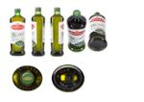 | BERTOLLI DAL 1865 | Registered: Registered/protected | 29 | Mizkan America, Inc.
1980484 | 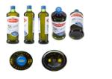 | BERTOLLI DAL 1865 | Registered: Registered/protected | 29 | Mizkan America, Inc.
1980488 | 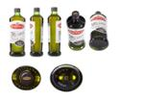 | BERTOLLI DAL 1865 | Registered: Registered/protected | 29 | Mizkan America, Inc.
1980493 | 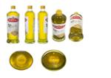 | BERTOLLI DAL 1865 | Registered: Registered/protected | 29 | Mizkan America, Inc.
1980494 | 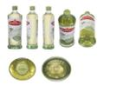 | BERTOLLI DAL 1865 | Registered: Registered/protected | 29 | Mizkan America, Inc.

