Search Results
Search Results |  | Total | 2

Number | Visual representation | Words | Status | Goods & Services classes | Owner
1230388 |  | MOTHER | Registered: Registered/protected | 32 | Energy Beverages LLC
1667200 | 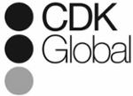 | CDK GLOBAL | Ceased - Not renewed: Renewal fee not paid | 35 | CDK Global, LLC

