Search Results
Search Results |  | Total | 1

Number | Visual representation | Words | Status | Goods & Services classes | Owner
1599824 | 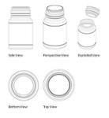 |  | Registered: Registered/protected | 30 | Koninklijke Douwe Egberts B.V.

