Search Results
Search Results |  | Total | 2

Number | Visual representation | Words | Status | Goods & Services classes | Owner
1823669 | 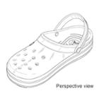 | CROCS | Registered: Renewal due | 25 | Crocs, Inc.
2500652 |  | HELIPOTT | Protected: Registered/protected | 11 | Peter Philipp

