Search Results
Search Results |  | Total | 1

Number | Visual representation | Words | Status | Goods & Services classes | Owner
2410414 | 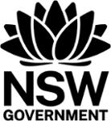 | NSW GOVERNMENT | Registered: Registered/protected | 6, 7, 9, 16, 19, 35, 36, 37, 38, 39, 40, 41, 42, 43, 44, 45 | The Crown in right of the State of NSW (c/o Department of Customer Service)

