Search Results
Search Results |  | Total | 1

Number | Visual representation | Words | Status | Goods & Services classes | Owner
749403 | 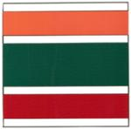 |  | Registered: Registered/protected | 35 | 7-Eleven International LLC

