Search Results
Search Results |  | Total | 2

Number | Visual representation | Words | Status | Goods & Services classes | Owner
1856156 |  | AUHQ | Registered: Renewal due | 9, 16, 35, 38, 41, 42, 45 | .au Domain Administration Limited
1856158 | 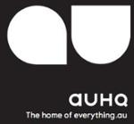 | AU AUHQ THE HOME OF EVERYTHING.AU | Registered: Renewal due | 9, 16, 35, 38, 41, 42, 45 | .au Domain Administration Limited

