Search Results
Search Results |  | Total | 4

Number | Visual representation | Words | Status | Goods & Services classes | Owner
874833 |  | AUSSIE MITE | Registered: Registered/protected | 30 | Elise Ramsey
456265 |  | AUSSIE-MITE MADE IN AUSTRALIA | Lapsed: Not accepted | 25 | Al's Labelling Service Pty Ltd
799975 | 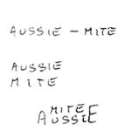 | AUSSIE-MITE AUSSIE MITE MITE AUSSIE | Lapsed: Not accepted | 30 | Paul Thomas Unger
2137700 |  | Organic AussieMite | Lapsed: Not accepted | 29 | Elise Ramsey

