Search Results
Search Results |  | Total | 11

Number | Visual representation | Words | Status | Goods & Services classes | Owner
1171648 |  | Clean Queens | Registered: Renewal due | 37 | Gabrielle Simpson
1171750 |  | Queen of Clean | Registered: Renewal due | 37 | Gabrielle Simpson
1708891 |  | QUEEN OF CLEAN DENTAL TAPE | Registered: Registered/protected | 21 | Pauline Grace Kennedy
2055066 | 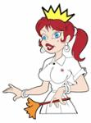 | CLEAN QUEENS | Registered: Registered/protected | 37 | CLEAN QUEENS PTY LTD
2055074 |  | CLEAN QUEENS | Registered: Registered/protected | 37 | CLEAN QUEENS PTY LTD
2645813 |  | King and Queen of Clean | Published: Under examination | 37 | King and Queen of Clean
1901827 |  | Blue Mountains Clean Queen | Lapsed: Not accepted | 1 | Jennifer Ann Fawcett
1901828 | 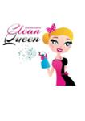 | BLUE MOUNTAINS CLEAN QUEEN | Lapsed: Not accepted | 1 | Jennifer Ann Fawcett
2055214 | 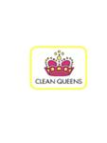 | CLEAN QUEENS | Lapsed: Not accepted | 37 | CLEAN QUEENS PTY LTD
2055215 | 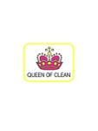 | QUEEN OF CLEAN | Lapsed: Not accepted | 37 | CLEAN QUEENS PTY LTD
2257117 | 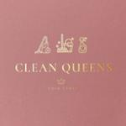 | CLEAN QUEENS GOLD COAST | Lapsed: Not accepted | 37 | Clean Queens GC

