Search Results
Search Results |  | Total | 40

Number | Visual representation | Words | Status | Goods & Services classes | Owner
292286 | 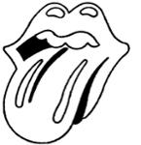 |  | Registered: Registered/protected | 9 | Musidor B.V.
292287 | 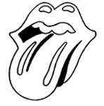 |  | Registered: Renewal due | 16 | Musidor B.V.
293526 |  | ROLLING STONES | Registered: Renewal due | 9 | Musidor B.V.
569162 |  | ROLLING STONES | Registered: Registered/protected | 41 | Musidor B.V.
569163 |  | ROLLING STONES | Registered: Registered/protected | 25 | Musidor B.V.
569165 |  | ROLLING STONES | Registered: Registered/protected | 9 | Musidor B.V.
644356 | 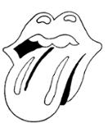 |  | Registered: Registered/protected | 25 | Musidor BV
776953 | 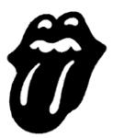 |  | Registered: Registered/protected | 9, 16, 26, 41 | Musidor BV
1164055 |  | ROLLING STONES | Protected: Registered/protected | 9 | MUSIDOR B.V.
1189663 | 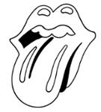 |  | Protected: Registered/protected | 9, 16, 24, 25 | MUSIDOR B.V.
1303836 |  | MICK JAGGER | Registered: Registered/protected | 9, 25, 41 | Musidor B.V.
1689220 |  | ROLLING STONES | Protected: Registered/protected | 33 | MUSIDOR B.V.
1992919 |  | MICK JAGGER | Protected: Registered/protected | 9, 16, 25, 41, 43 | MUSIDOR B.V.
2524295 |  | ROLLING STONES | Registered: Registered/protected | 3 | Musidor B.V.
2524298 | 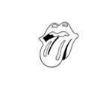 |  | Registered: Registered/protected | 3 | Musidor B.V.
292288 | 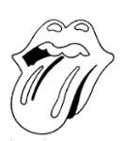 |  | Removed - Not renewed: Renewal fee not paid | 26 | Musidor B.V.
383420 |  | ROLLING STONES | Removed - Not renewed: Renewal fee not paid | 30 | Musidor B.V.
383421 |  | ROLLING STONES | Removed - Not renewed: Renewal fee not paid | 28 | Musidor B.V.
383422 |  | ROLLING STONES | Removed - Not renewed: Renewal fee not paid | 25 | Musidor B.V.
383424 |  |  | Removed - Not renewed: Renewal fee not paid | 30 | Musidor B.V.
383425 |  |  | Removed - Not renewed: Renewal fee not paid | 28 | Musidor B.V.
383426 |  |  | Removed - Not renewed: Renewal fee not paid | 25 | Musidor B.V.
633589 | 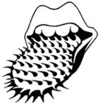 |  | Removed - Not renewed: Renewal fee not paid | 9 | Musidor B.V.
633590 | 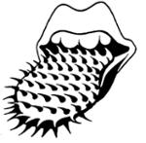 |  | Removed - Not renewed: Renewal fee not paid | 26 | Musidor B.V.
633592 | 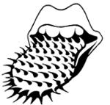 |  | Removed - Not renewed: Renewal fee not paid | 25 | Musidor B.V.
633593 | 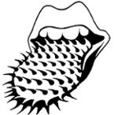 |  | Removed - Not renewed: Renewal fee not paid | 16 | Musidor B.V.
636210 |  |  | Removed - Not renewed: Renewal fee not paid | 9 | Musidor BV
636211 |  |  | Removed - Not renewed: Renewal fee not paid | 16 | Musidor BV
636212 |  |  | Removed - Not renewed: Renewal fee not paid | 25 | Musidor B.V.
636213 |  |  | Removed - Not renewed: Renewal fee not paid | 26 | Musidor BV
645503 |  | ROLLING STONES | Removed - Not renewed: Renewal fee not paid | 26 | Musidor BV
775590 |  | BRIDGES TO BABYLON | Removed - Not renewed: Renewal fee not paid | 9, 16, 25, 26, 41 | Musidor BV
776429 |  | ROLLING STONES | Removed - Not renewed: Renewal fee not paid | 3, 30, 32, 33, 42 | Musidor BV
776954 |  |  | Removed - Not renewed: Renewal fee not paid | 41 | Musidor BV
777061 | 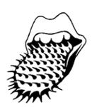 |  | Removed - Not renewed: Renewal fee not paid | 41 | Musidor BV
897932 |  | THE STONES | Removed - Not renewed: Renewal fee not paid | 9, 16, 25 | Musidor BV
383423 |  | ROLLING STONES | Lapsed: Not accepted | 16 | Musidor B.V.
462190 |  | MICK JAGGER | Lapsed: Not accepted | 9 | Musidor B.V.
462191 |  | MICK JAGGER | Lapsed: Not accepted | 9 | Musidor B.V.
569164 |  | ROLLING STONES | Lapsed: Not accepted | 16 | Musidor B.V.

