Search Results
Search Results |  | Total | 2

Number | Visual representation | Words | Status | Goods & Services classes | Owner
2220500 | 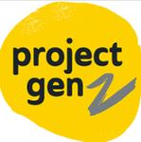 | PROJECT GEN Z | Registered: Registered/protected | 41 | Project Gen Z Pty Ltd
2158831 | 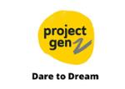 | PROJECT GEN Z DARE TO DREAM | Lapsed: Not accepted | 41 | PROJECT GEN Z PTY. LTD

