Search Results
Search Results |  | Total | 4

Number | Visual representation | Words | Status | Goods & Services classes | Owner
2237418 |  | TWO STROKE PERFORMANCE | Registered: Registered/protected | 7, 9 | Two Stroke Performance Pty Ltd
250525 | 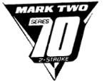 | MARK TWO SERIES 70 2 STROKE V | Removed - Not renewed: Renewal fee not paid | 7 | Victa Limited
187002 |  | TWO STROKE OIL 2 | Status not available | 4
2094457 |  | TSP | Lapsed: Not accepted | 7, 9 | Two Stroke Performace Pty Ltd

