Search Results
Search Results |  | Total | 15

Number | Visual representation | Words | Status | Goods & Services classes | Owner
1939743 |  | AUSTRALIAN MANUKA HONEY ASSOCIATION | Registered: Registered/protected | 3, 5, 30, 32, 35, 42 | Australian Manuka Honey Association Ltd
1939800 | 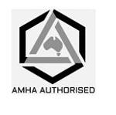 | AMHA AUTHORISED | Registered: Registered/protected | 3, 5, 30, 32 | Australian Manuka Honey Association Ltd
2138170 | 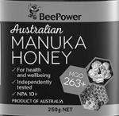 | BEEPOWER AUSTRALIAN MANUKA HONEY FOR HEALTH AND WELLBEING INDEPENDENTLY TESTED NPA 10+ PRODUCT OF AUSTRALIA MGO 263+ | Registered: Registered/protected | 30 | Bee-Power International Pty Ltd
2237581 |  | MANUKA SKIN AUSTRALIAN MADE FOR BEAUTIFUL SKIN | Registered: Registered/protected | 3 | MR Adam Nye
2441447 | 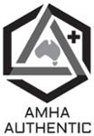 | AMHA AUTHENTIC+ | Registered: Registered/protected | 5, 30 | Australian Manuka Honey Association Ltd
2441449 | 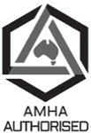 | AMHA AUTHORISED | Registered: Registered/protected | 5, 30 | Australian Manuka Honey Association Ltd
1658429 |  | AUSTRALIAN MANUKA HONEY | Lapsed: Not accepted | 30 | WEIAO (AUSTRALIA) PTY LTD
1741483 |  | Australian Manuka Honey Balm | Lapsed: Not accepted | 3 | NBM Marketing Pty Ltd
1752617 | 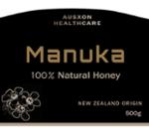 | AUSXON HEALTHCARE MANUKA 100% NATURAL HONEY NEW ZEALAND ORIGIN AUSXON HEALTHCARE JELLY BUSH 100% NATURAL HONEY AUSTRALIAN ORIGIN AUSXON HEALTHCARE BLOOD WOOD 100% NATURAL HONEY AUSTRALIAN ORIGIN AUSXON HEALTHCARE BLUE BOX 100% NATURAL HONEY AUSTRALIAN ORIGIN | Lapsed: Not accepted | 30 | AUSXON HEALTHCARE (AUSTRALIA) PTY LTD
1831152 |  | AMF AUSTRALIAN MANUKA FACTOR | Lapsed: Not accepted | 3, 5, 30, 42 | Honeybiz Australia Pty Ltd
1868874 |  | AUSTRALIAN MANUKA HONEY ASSOCIATION | Lapsed: Not accepted | 30 | Capilano Honey Limited
1869737 | 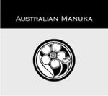 | AUSTRALIAN MANUKA | Withdrawn: Applicant request | 30 | Lawrence Michael Howes
1987229 |  | Australian medi manuka honey | Lapsed: Not accepted | 30 | ARCHITECTURAL FACADE SOLUTIONS PTY LTD
2149979 | 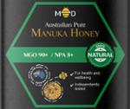 | MD AUSTRALIAN PURE MANUKA HONEY MGO 90+ / NPA 5+ 100% NATURAL FOR HEALTH AND WELLBEING INDEPENDENTLY TESTED AUSTRALIAN MADE MD AUSTRALIAN PURE MANUKA HONEY MGO 263+ / NPA 10+ BRONZE FOR HEALTH AND WELLBEING INDEPENDENTLY TESTED AUSTRALIAN MADE MD AUSTRALIAN PURE MANUKA HONEY MGO 829+ / NPA 20+ GOLD FOR HEALTH AND WELLBEING INDEPENDENTLY TESTED AUSTRALIAN MADE MD AUSTRALIAN PURE MANUKA HONEY MGO 514+ / NPA 15+ SILVER FOR HEALTH AND WELLBEING INDEPENDENTLY TESTED AUSTRALIAN MADE | Lapsed: Not accepted | 30 | MD Honey Pty Ltd
2161002 | 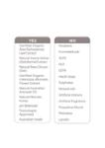 | YES CERTIFIED ORGANIC ALOE BARBADENSIS LEAF EXTRACT NATURAL AVENA SATIVA (OAT) KERNEL EXTRACT NATURAL BETA-GLUCAN (OAT) CERTIFIED ORGANIC CALENDULA OFFICINALIS FLOWER EXTRACT NATURAL AUSTRALIAN AVOCADO OIL NATURAL MANUKA HONEY PH BALANCED TOXICOLIGIST APPROVED AUSTRALIAN MADE NO PARABENS FORMALDEHYDE SLES SLS EDTA HARSH SOAP SULPHATES MINERAL OILS ARTIFICIAL COLOURS ARTIFICIAL FRAGRANCE PROPYLENE GLYCOL PHTHALATE LANOLIN | Lapsed: Not accepted | 3 | Xiao Jun MA

