Search Results
Search Results |  | Total | 18

Number | Visual representation | Words | Status | Goods & Services classes | Owner
1595500 | 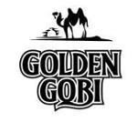 | GOLDEN GOBI | Registered: Registered/protected | 32 | APU Joint Stock Company
1690674 |  | GOBI | Protected: Registered/protected | 22, 24, 25 | GOBI Corporation
1690696 |  | GOBI ORGANIC MONGOLIAN CASHMERE | Protected: Registered/protected | 20, 23, 24, 25 | GOBI Corporation
1785728 |  | GOBI | Registered: Expired renewal possible | 45 | GOBI PTY LTD
1815820 | 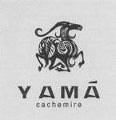 | YAMA CACHEMIRE | Protected: Registered/protected | 18, 24, 25 | GOBI Corporation
1971452 |  | HERDERS BY GOYO CASHMERE | Protected: Registered/protected | 24, 25 | GOBI Corporation
1972590 | 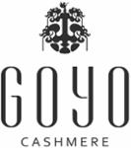 | GOYO CASHMERE | Protected: Registered/protected | 18, 24, 25 | GOBI Corporation
2038288 |  | GOBI GOLD | Protected: Registered/protected | 5 | Genevia Lifesciences Ltd
2223525 |  | GOBI HEAT | Protected: Registered/protected | 11, 20 | Genung, Jacqueline
2350578 |  | GOBI | Protected: Registered/protected | 1 | LES ABSORBANTS GOBI INC. / GOBI ABSORBENTS INC.
2472414 | 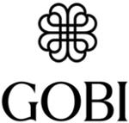 | GOBI | Protected: Registered/protected | 24, 25 | GOBI Corporation
2472424 |  |  | Protected: Registered/protected | 18, 24, 25 | GOBI Corporation
2506017 |  | GobiDex | Registered: Registered/protected | 28 | Telissa Lee
2611358 |  | CASHMERETECH | Published: Under examination | 24, 25 | GOBI Corporation
2613225 | 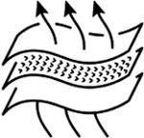 |  | Published: Under examination | 24, 25 | GOBI Corporation
1226811 |  | GOBI | Removed - Not renewed: Renewal fee not paid | 9, 38, 42 | Qualcomm Incorporated
1593229 | 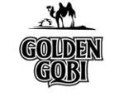 | GOLDEN GOBI | Removed - Not renewed: Renewal fee not paid | 33 | APU Joint Stock Company
1076900 |  | Gobi | Lapsed: Not accepted | 25 | Mitcho Kelemen

