Search Results
Search Results |  | Total | 46

Number | Visual representation | Words | Status | Goods & Services classes | Owner
1603796 | 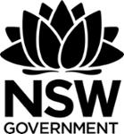 | NSW GOVERNMENT | Registered: Registered/protected | 35, 36, 37, 38, 39, 41, 42, 43, 44, 45 | The Crown in right of the State of New South Wales (c/o- Department of Customer Service)
1606417 | 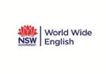 | NSW GOVERNMENT WORLD WIDE ENGLISH | Registered: Registered/protected | 9, 16, 41 | Technical and Further Education Commission
1622756 |  | LOCAL GOVERNMENT PROFESSIONALS AUSTRALIA NSW | Registered: Registered/protected | 41 | LOCAL GOVERNMENT MANAGERS AUSTRALIA NEW SOUTH WALES
1721516 |  | NSW GOVERNMENT SAFEWORK NSW | Registered: Registered/protected | 35, 36, 44 | The Crown in the right of the State of NSW through the Department of Finance, Services and Innovation
1766967 |  | NSW GOVERNMENT PROPERTY NSW | Registered: Expired renewal possible | 36 | PROPERTY NSW
1776644 |  | NSW GOVERNMENT SAFEWORK NSW | Registered: Registered/protected | 41, 42 | The Crown in the right of the State of NSW through the Department of Finance, Services and Innovation
1966964 |  | NSW GOVERNMENT EDUCATION STANDARDS AUTHORITY | Registered: Registered/protected | 9, 16, 41, 42 | NSW Education Standards Authority
1968666 | 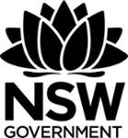 | NSW GOVERNMENT | Registered: Registered/protected | 7, 9, 16, 35, 36, 37, 39, 40 | The Crown in right of the State of New South Wales (c/o- Department of Customer Service)
2252876 |  | INVESTMENT NSW PART OF THE NEW SOUTH WALES GOVERNMENT | Registered: Registered/protected | 35 | The Crown in right of the State of New South Wales
2314156 |  | NSW GOVERNMENT DIGITAL ID | Registered: Registered/protected | 9, 35, 36, 42, 45 | The Crown in right of the State of New South Wales (c/o- Department of Customer Service)
2314159 | 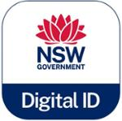 | NSW GOVERNMENT DIGITAL ID | Registered: Registered/protected | 9, 35, 36, 42, 45 | The Crown in right of the State of New South Wales (c/o- Department of Customer Service)
2354834 |  | LG LOCAL GOVERNMENT NSW | Registered: Registered/protected | 35 | Local Government NSW
2389779 |  | NSW GOVERNMENT PLACEMAKING NSW | Registered: Registered/protected | 35, 36, 37, 41, 43 | The Crown in Right of the State of NSW c/- Department of Planning and Environment
2410414 | 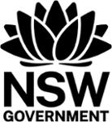 | NSW GOVERNMENT | Registered: Registered/protected | 6, 7, 9, 16, 19, 35, 36, 37, 38, 39, 40, 41, 42, 43, 44, 45 | The Crown in right of the State of NSW (c/o Department of Customer Service)
509253 | 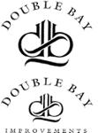 | DOUBLE BAY DB DOUBLE BAY IMPROVEMENTS | Removed - Not renewed: Renewal fee not paid | 35 | Council of the Municipality of Woollahra, incorporated under the Local Government Act 1919 (NSW)
634121 | 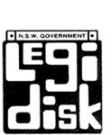 | LEGIDISK | Removed - Not renewed: Renewal fee not paid | 9 | The Crown in Right of the State of New South Wales c/- NSW Government Information Service, Department of Public Works and Services
639023 |  | PARLIDEX AN INTERACTIVE DATABASE ON RESPONSIBLE GOVERNMENT | Removed - Not renewed: Renewal fee not paid | 9 | The Crown in Right of the State of New South Wales C/- NSW Government Information Service, Department of Public Works & Services
665085 | 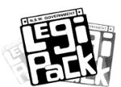 | LEGI PACK N.S.W. GOVERNMENT | Removed - Not renewed: Renewal fee not paid | 9 | The Crown in Right of the State of New South Wales c/- NSW Government Information Service, Department of Public Works and Services
665086 | 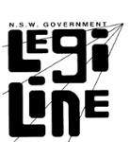 | LEGI LINE N.S.W. GOVERNMENT | Removed - Not renewed: Renewal fee not paid | 42 | The Crown in Right of the State of New South Wales c/- NSW Government Information Service, Department of Public Works and Services
665087 | 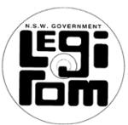 | LEGI ROM N.S.W. GOVERNMENT | Removed - Not renewed: Renewal fee not paid | 9 | The Crown in Right of the State of New South Wales c/- NSW Government Information Service, Department of Public Works and Services
831080 |  | SEPTIC SAFE PROTECT YOUR HEALTH AND ENVIRONMENT | Removed - Not renewed: Renewal fee not paid | 35 | The Crown in Right of the State of NSW C/- Department of Local Government
969073 | 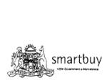 | SMARTBUY NSW GOVERNMENT E-MARKETPLACE ORTA RECENS QUAM PURA NITES | Removed - Not renewed: Renewal fee not paid | 42 | Crown in Right of the State of New South Wales
1318854 | 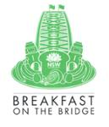 | NSW GOVERNMENT BREAKFAST ON THE BRIDGE | Removed - Not renewed: Renewal fee not paid | 16, 25, 39, 41 | Destination NSW
1493713 | 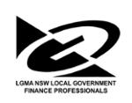 | GG LGMA NSW LOCAL GOVERNMENT FINANCE PROFESSIONALS | Removed - Not renewed: Renewal fee not paid | 41 | Local Government Managers Australia New South Wales
1505597 |  | NSW GOVERNMENT STATE CONNECT | Removed - Not renewed: Renewal fee not paid | 35, 38, 39, 41, 44, 45 | The Crown in right of the State of New South Wales (c/o- Department of Customer Service)
1521354 |  | NSW GOVERNMENT TRANSPORT CLEANING SERVICES | Removed - Not renewed: Renewal fee not paid | 37 | Transport for NSW
458055 |  | LASER NSW GOVERNMENT PRINTING OFFICE PICTURE STUDIO | Lapsed: Not accepted | 9 | NSW Government Printing Office
458056 |  | THE IMAGE RETRIEVER (T.I.R.) | Lapsed: Not accepted | 9 | NSW Government Printing Office
458057 |  | IMAGE RETRIEVAL SYSTEM (I.R.S.) | Lapsed: Not accepted | 9 | NSW Government Printing Office
458397 | 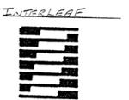 | INTERLEAF I | Lapsed: Not accepted | 9 | NSW Government Printing Office
466738 |  | TRANSPORT ACCIDENT INSURANCE | Lapsed: Not accepted | 36 | The Government Insurance Office of NSW
594620 | 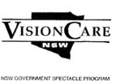 | VISION CARE NSW NSW GOVERNMENT SPECTACLE PROGRAM | Withdrawn: Applicant request | 42 | Vision Care NSW Ltd
737649 |  | The Australian Technology Showcase | Lapsed: Not accepted | 9, 35, 38, 41 | NSW Government State & Regional Development
914786 |  | EMPLOYMENT SOLUTIONS | Lapsed: Not accepted | 35 | Local Government and Shires Associations of NSW
1577674 |  | NSW GOVERNMENT NSWBUY | Lapsed: Not accepted | 35 | Department of Finance and Services
1629597 |  | NSW GOVERNMENT TRANSPORT MARITIME | Lapsed: Not accepted | 6, 9, 12, 16, 18, 19, 20, 24, 25, 28, 35, 36, 37, 39, 41, 42, 45 | Roads and Maritime Services
1629601 |  | NSW GOVERNMENT TRANSPORT ROADS & MARITIME SERVICES | Lapsed: Not accepted | 6, 9, 12, 16, 18, 19, 20, 24, 25, 28, 35, 36, 37, 39, 41, 42, 45 | Roads and Maritime Services
1677080 | 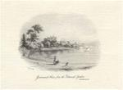 | GOVERNMENT HOUSE FROM THE BOTANICAL GARDENS SYDNEY N.S.W. | Lapsed: Not accepted | 33 | MODERN ANCIENT BRANDS PTY LTD
1720865 |  | NSW GOVERNMENT STATE INSURANCE REGULATORY AUTHORITY | Lapsed: Registration fee not paid on time | 16, 35, 36, 41, 42, 44, 45 | State Insurance Regulatory Authority
1768591 |  | NSW GOVERNMENT PROPERTY | Lapsed: Not accepted | 36 | GOVERNMENT PROPERTY NSW
1774191 |  | NSW GOVERNMENT SIRA STATE INSURANCE REGULATORY AUTHORITY | Lapsed: Not accepted | 16, 35, 36, 41, 42, 44, 45 | State Insurance Regulatory Authority
1945969 |  | U.S.U UNITED SERVICES UNION | Lapsed: Not accepted | 42 | NSW LOCAL GOVERNMENT CLERICAL ADMINISTRATIVE ENERGY AIRLINES & UTILITIES UNION
1945970 |  | USU UNITED SERVICES UNION | Lapsed: Not accepted | 42 | NSW LOCAL GOVERNMENT CLERICAL ADMINISTRATIVE ENERGY AIRLINES & UTILITIES UNION
1946034 | 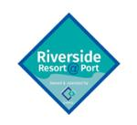 | RIVERSIDE RESORT@PORT OWNED & OPERATED U.S.U UNITED SERVICES UNION | Lapsed: Not accepted | 43 | NSW LOCAL GOVERNMENT CLERICAL ADMINISTRATIVE ENERGY AIRLINES & UTILITIES UNION
2263084 |  | NSW GOVERNMENT DIGITAL BABY BOOK | Lapsed: Not accepted | 38, 44, 45 | Ministry of Health
2435136 | 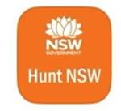 | NSW GOVERNMENT HUNT NSW | Lapsed: Not accepted | 9, 41 | The Crown in right of the State of New South Wales acting through Regional NSW

