Search Results
Search Results |  | Total | 7

Number | Visual representation | Words | Status | Goods & Services classes | Owner
2084132 |  | NU-ME OAT MILK | Registered: Registered/protected | 29 | BICKFORD'S TRADING PTY LTD
2087998 | 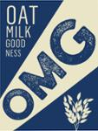 | OMG OAT MILK GOOD NESS | Registered: Registered/protected | 29 | Good Oats Pty Ltd
2124968 | 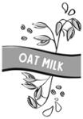 | OAT MILK | Registered: Registered/protected | 29 | Love Food Australia Pty Ltd
2189290 |  | CHOBANI OAT MILK | Registered: Registered/protected | 29, 30, 32 | Chobani, LLC
2197033 |  | OMG OAT MILK GOODNESS | Registered: Registered/protected | 29 | Good Oats Pty Ltd
2279036 | 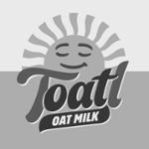 | TOATL OAT MILK | Registered: Registered/protected | 29, 30, 32 | Australasian Conference Association Limited
2251842 |  | No Ordinary Oat Milk | Lapsed: Not accepted | 29 | Plant Projects

