Search Results
Search Results |  | Total | 21

Number | Visual representation | Words | Status | Goods & Services classes | Owner
1512086 | 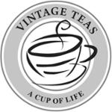 | VINTAGE TEAS A CUP OF LIFE | Registered: Registered/protected | 30 | Vintage Teas Ceylon (Pvt) Ltd
1838618 | 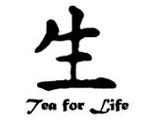 | TEA FOR LIFE | Registered: Renewal due | 30 | Lidia Koval
1960781 |  | TEA LIFE | Registered: Registered/protected | 30 | Toby Life Holdings Pty LTD
1981401 | 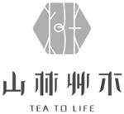 | TEA TO LIFE | Registered: Registered/protected | 43 | Success-Sure International Co., Ltd.
2063267 | 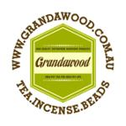 | GRANDAWOOD HIGH QUALITY VIETNAMESE AGARWOOD PRODUCTS HEALTHY TEA FOR HEALTHY LIFE WWW.GRANDAWOOD.COM.AU TEA.INCENSE.BEADS | Registered: Registered/protected | 3 | Grandawood Pty Ltd as trustee for Grandawood Trust
2165534 |  | TEA'STONE | Registered: Registered/protected | 21 | Shenzhen Tea Life Culture Industry Co., Ltd.
2187190 |  | TEA'STONE | Protected: Registered/protected | 30, 35, 43 | Shenzhen Tea Life Culture Industry Co., Ltd.
2231427 |  | LIFE'S A TEA PARTY | Registered: Registered/protected | 30 | Narelle Hillsley
2238211 | 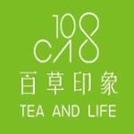 | 100 CAO TEA AND LIFE | Registered: Registered/protected | 30 | OK COMPANY PTY LTD
2263652 |  | TEA LIFE | Registered: Registered/protected | 21, 30, 32, 35, 43 | Toby Life Holdings Pty LTD
2465716 | 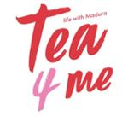 | TEA 4 ME LIFE WITH MADURA | Registered: Registered/protected | 30, 32 | Bagcorp Pty Ltd; Headcrest Pty Ltd; Broadbond Pty Ltd
995420 |  | Chi Vitali Tea for life! | Removed - Not renewed: Renewal fee not paid | 30 | James Baldvin Douglas
1051799 |  | Bay to Breakers | Removed - Not renewed: Renewal fee not paid | 41 | Tea Gardens Hawks Nest Surf Life Saving Club Inc.
1077871 |  | DALY MIRACLES TEA OF LIFE | Removed - Not renewed: Renewal fee not paid | 30 | Lisa Daly
1123889 |  | LIFE TEA | Removed - Not renewed: Renewal fee not paid | 30 | Teavolution Pty Ltd
1124918 |  | SPRINGLEAF LIFE TEA | Removed - Not renewed: Renewal fee not paid | 30, 32 | Teavolution Pty Ltd
1608491 | 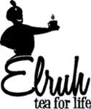 | ELRUH TEA FOR LIFE | Removed - Not renewed: Renewal fee not paid | 30 | Matthew Barrie Hurle-Jones
1611572 |  | IN SLIM TEA COMPANY TEA FOR LIFE | Removed - Not renewed: Renewal fee not paid | 5 | Chanel Zhe Hu
968918 |  | enjoy tea enjoy life enjoy tea, enjoy life | Lapsed: Not accepted | 30 | T Bar Purveyors of Tea Pty Ltd
1797362 |  | TRIMLY TEA TEATOX YOUR LIFE | Lapsed: Registration fee not paid on time | 5, 30 | Andrew Murphy
2048010 |  | NATURE FIRST TEA OF LIFE | Lapsed: Not accepted | 30 | Kadac Pty Ltd

