Search Results
Search Results |  | Total | 6

Number | Visual representation | Words | Status | Goods & Services classes | Owner
211875 |  | 1000000 | Registered: Registered/protected | 16 | Kabushiki Kaisha Kyowa
211877 |  | 1000000 | Registered: Registered/protected | 12 | Kabushiki Kaisha Kyowa
783654 |  | DRAKE JOBSEEK - $1,000,000 WORTH OF WORK | Registered: Registered/protected | 35 | Drake International Inc.
1000000 | 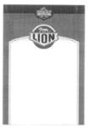 | LION ANCHOR SINCE 1854 | Registered: Registered/protected | 29, 30 | Anchor Foods Pty Ltd
305159 | 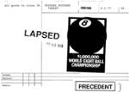 | 1,000,000 WORLD EIGHT BALL CHAMPIONSHIP | Status not available | 16
1323523 |  | 1,000,000KIDS | Lapsed: Not accepted | 16, 35, 36, 41 | COMMONWEALTH BANK OF AUSTRALIA

