Search Results
Search Results |  | Total | 1

Number | Visual representation | Words | Status | Goods & Services classes | Owner
1055635 | 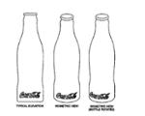 | COCA COLA | Registered: Registered/protected | 32 | The Coca-Cola Company

