Search Results
Search Results |  | Total | 1

Number | Visual representation | Words | Status | Goods & Services classes | Owner
1077876 | 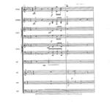 |  | Registered: Registered/protected | 9 | Intel Corporation

