Search Results
Search Results |  | Total | 2

Number | Visual representation | Words | Status | Goods & Services classes | Owner
1352410 | 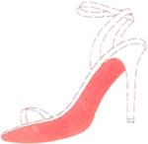 |  | Protected: Registered/protected | 25 | CLERMON ET ASSOCIES
1855390 |  | GOLRIVO | Protected: Renewal due | 5 | Gilead Sciences Ireland UC

