Search Results
Search Results |  | Total | 2

Number | Visual representation | Words | Status | Goods & Services classes | Owner
1989977 | 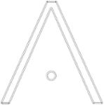 | A | Protected: Registered/protected | 14 | Amazing Jewelry
1400795 |  | PERTH WEB DESIGN | Lapsed: Not accepted | 42 | Perth Web Design

