Search Results
Search Results |  | Total | 1

Number | Visual representation | Words | Status | Goods & Services classes | Owner
2066458 | 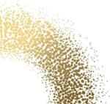 |  | Registered: Registered/protected | 3, 5, 9, 14, 16, 18, 20, 21, 24, 25, 28, 29, 30, 31, 32, 35, 36, 39, 41, 42, 43 | Commonwealth of Australia c/- Australian Trade and Investment Commission (Austrade)

