Search Results
Search Results |  | Total | 1

Number | Visual representation | Words | Status | Goods & Services classes | Owner
451318 | 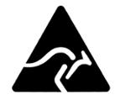 |  | Registered: Registered/protected | 1, 2, 3, 4, 5, 6, 7, 8, 9, 10, 11, 12, 13, 14, 15, 16, 17, 18, 19, 20, 21, 22, 23, 24, 25, 26, 27, 28, 29, 30, 31, 32, 33, 34 | Australian Made Campaign Limited

