Search Results
Search Results |  | Total | 1

Number | Visual representation | Words | Status | Goods & Services classes | Owner
677876 | 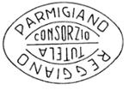 | PARMIGIANO REGGIANO TUTELA CONSORZIO | Registered: Registered/protected | 29 | Consorzio del Formaggio Parmigiano Reggiano

