Search Results
Search Results |  | Total | 74

Number | Visual representation | Words | Status | Goods & Services classes | Owner
62295 |  | BLUE LABEL BUSHELLS | Registered: Registered/protected | 30 | FreshFood Holdings Pte Limited
66623 |  | BUSHELLS | Registered: Registered/protected | 30 | Bushells Pty Ltd
101286 |  | BUSHELLS | Registered: Registered/protected | 30 | ekaterra Group IP Holdings B.V.
108540 |  | BUSHELLS TENDER TIPS | Registered: Registered/protected | 30 | ekaterra Group IP Holdings B.V.
198053 |  | BUSHELLS | Registered: Registered/protected | 30 | FreshFood Holdings Pte Limited
494680 |  | MOLLY BUSHELL | Registered: Registered/protected | 30 | Mondelez International AMEA Pte. Ltd
494681 |  | MOLLY BUSHELL | Registered: Registered/protected | 30 | Mondelez International AMEA Pte. Ltd
763121 |  | BUSHELLS | Registered: Registered/protected | 30 | FreshFood Holdings Pte Limited
763122 |  | BUSHELLS RED LABEL | Registered: Registered/protected | 30 | FreshFood Holdings Pte Limited
868765 | 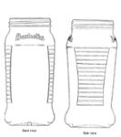 | BUSHELLS | Registered: Registered/protected | 30 | FreshFood Holdings Pte Limited
883223 |  | FOR REAL SATISFACTION......BETTER B BUSHELLS | Registered: Registered/protected | 30, 42 | FreshFood Holdings Pte Limited
883224 |  | BETTER B BUSHELLS | Registered: Registered/protected | 30, 42 | FreshFood Holdings Pte Limited
918876 |  | BUSHELLS CONCORD | Registered: Registered/protected | 30 | FreshFood Holdings Pte Limited
918877 |  | BUSHELLS MELODY | Registered: Registered/protected | 30 | FreshFood Holdings Pte Limited
918878 |  | BUSHELLS PIANISSIMO | Registered: Registered/protected | 30 | FreshFood Holdings Pte Limited
918879 |  | BUSHELLS COFFEE | Registered: Registered/protected | 30 | FreshFood Holdings Pte Limited
930078 |  | ILYA | Registered: Registered/protected | 33 | Sharon Bushell; Paul Bushell
2018450 |  | THE GILDED HANDS | Registered: Registered/protected | 14 | Linda Bushell
3608 |  | GIPSY | Removed - Not renewed: Renewal fee not paid | 30 | Bushells Pty Ltd
3609 |  | AROMATTE | Removed - Not renewed: Renewal fee not paid | 30 | Bushells Pty Ltd
6874 |  | GOLDEN GUINEA | Removed - Not renewed: Renewal fee not paid | 3 | Bushells Pty Ltd
7188 |  | SHELLUB | Removed - Not renewed: Renewal fee not paid | 29 | Bushells Pty Ltd
33156 | 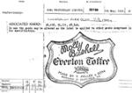 | MILSUN MOLLY BUSHELL | Status not available | 30
48344 |  | MOLLY BUSHELL | Removed - Not renewed: Renewal fee not paid | 30 | RAMA Pty Ltd
59483 | 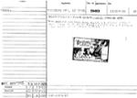 | BLUE LABEL BUSHELLS COCOA | Removed - Not renewed: Renewal fee not paid | 30 | Bushells Foods Pty Limited
60711 |  | GOSSIP | Removed - Not renewed: Renewal fee not paid | 30 | Bushells Pty Ltd
62291 | 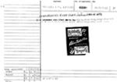 | BLUE LABEL BUSHELLS | Removed - Not renewed: Renewal fee not paid | 30 | Bushells Foods Pty Limited
62292 | 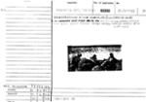 | BLUE LABEL BUSHELLS | Removed - Not renewed: Renewal fee not paid | 30 | Bushells Foods Pty Limited
62293 | 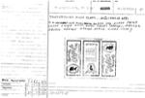 | BUSHELLS O.S. OLD STYLE | Removed - Not renewed: Renewal fee not paid | 30 | Bushells Foods Pty Limited
62296 | 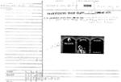 | BUSHELLS | Status not available | 30
87061 | 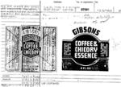 | GIBSONS COFFEE & CHICORY ESSENCE | Removed - Not renewed: Renewal fee not paid | 30 | Bushells Pty Ltd
101127 |  | GIBSON'S | Removed - Not renewed: Renewal fee not paid | 30 | Bushells Foods Pty Limited
114707 | 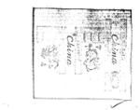 | BUSHELLS CHINA FIRST GRADE | Removed - Not renewed: Renewal fee not paid | 30 | Unilever Australia Limited
129207 |  | NURAYLIA | Removed - Not renewed: Renewal fee not paid | 30 | Bushells Pty Ltd
195265 |  | SHELLUB | Removed - Not renewed: Renewal fee not paid | 30 | Bushells Pty Ltd
195266 |  | SHELLUB | Removed - Not renewed: Renewal fee not paid | 31 | Bushells Pty Ltd
195267 |  | SHELLUB | Removed - Not renewed: Renewal fee not paid | 32 | Bushells Pty Ltd
195268 |  | SHELLUB | Removed - Not renewed: Renewal fee not paid | 3 | Bushells Pty Ltd
197820 |  | GOLDEN GUINEA | Removed - Not renewed: Renewal fee not paid | 31 | Bushells Pty Ltd
197822 |  | GOLDEN GUINEA | Removed - Not renewed: Renewal fee not paid | 29 | Bushells Pty Ltd
222144 | 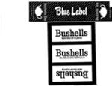 | BLUE LABEL BUSHELLS LABEL TEA OF FLAVOR | Removed - Not renewed: Renewal fee not paid | 30 | Bushells Foods Pty Limited
228610 |  | BUSHELLS | Removed - Not renewed: Renewal fee not paid | 30 | Bushells Foods Pty Limited
284440 | 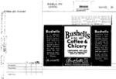 | BUSHELLS | Status not available | 30
284441 | 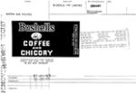 | BUSHELLS | Status not available | 30
284442 |  | BUSHELLS 75-25 COFFEE AND CHICORY | Removed - Not renewed: Renewal fee not paid |  | Bushells Pty Ltd
284444 | 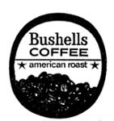 | AMERICAN ROAST BUSHELLS | Removed - Not renewed: Renewal fee not paid | 30 | Bushells Foods Pty Limited
284445 |  | BUSHELLS TURKISH STYLE VACUUM PACKED | Removed - Not renewed: Renewal fee not paid | 30 | Bushells Foods Pty Limited
284446 | 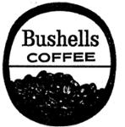 | BUSHELLS | Removed - Not renewed: Renewal fee not paid | 30 | Bushells Foods Pty Limited
313135 |  | BUSHOX | Removed - Not renewed: Renewal fee not paid | 29 | Bushells Pty Ltd
389979 |  | CAFE MAISON | Removed - Not renewed: Renewal fee not paid | 30 | Bushells Pty Ltd
431087 |  | MASTERLINK | Removed - Not renewed: Renewal fee not paid | 7 | Bushell Built Pty Ltd.
650206 |  | BUSHELLS RED LABEL | Removed - Not renewed: Renewal fee not paid | 30 | Bushells Foods Pty Limited
1460521 |  | REVITACOL | Removed - Not renewed: Renewal fee not paid | 5 | Kelli M. Bushell
62294 | 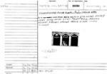 | BUSHELLS MINUTE | Status not available | 30
154896 | 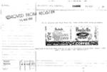 | BUSHELLS INSTANT | Status not available | 30
284443 |  | BUSHELLS PURE COFFEE | Status not available | 30
389978 |  | MASTER ROAST | Lapsed: Not accepted | 30 | Bushells Pty Ltd
407662 |  | SUPASYF | Lapsed: Not accepted | 7 | Hugh Maxwell Bushell
447723 |  | ROBERT TIMMS FRESH PAK | Lapsed: Not accepted | 1 | Bushells Pty Ltd
447724 |  | ROBERT TIMMS FRESH LOCK | Lapsed: Not accepted | 1 | Bushells Pty Ltd
470968 |  | BARRINGTONS TEA OF QUALITY | Lapsed: Not accepted | 30 | Bushells Pty Ltd
485024 |  | EUROPA | Lapsed: Not accepted | 30 | Bushells Pty Ltd
524913 |  | BUSHELLS CLASSIC | Withdrawn: Applicant request | 30 | Bushells Pty Ltd
703870 |  | FAMILY WEEK | Lapsed: Not accepted | 16, 41 | John Bushell
709602 |  | BUSHELLS ... AHH THAT'S BETTER | Lapsed: Not accepted | 30, 32 | Bushells Pty Ltd
742455 |  | BUSHELLS | Lapsed: Not accepted | 5 | Unilever PLC
823102 |  | BUSHELLS PIANISSIMO | Lapsed: Not accepted | 30 | FreshFood Holdings Pte Limited
823103 |  | BUSHELLS MELODY | Lapsed: Not accepted | 30 | FreshFood Holdings Pte Ltd
823104 |  | BUSHELLS CONCORD | Lapsed: Not accepted | 30 | FreshFood Holdings Pte Ltd
837824 |  | BUSHELLS COFFEE | Lapsed: Not accepted | 30 | FreshFood Holdings Pte Limited
957917 |  | Brroom Brroom | Lapsed: Registration fee not paid on time | 21 | Daryl Bushell; Kerrie Jorgensen
966189 |  | SPLASH | Lapsed: Registration fee not paid on time | 32 | James John Bushell; Selena Bushell
1178640 |  | Parenting from a Distance | Lapsed: Not accepted | 41 | Debbie Bushell
1617312 |  | JUMP FOR JOY HEALTH | Lapsed: Registration fee not paid on time | 41, 44 | Alexander Graham Bushell

