Search Results
Search Results |  | Total | 11

Number | Visual representation | Words | Status | Goods & Services classes | Owner
1220740 |  | CHRISTIAN LOUBOUTIN | Protected: Registered/protected | 18, 25 | CLERMON ET ASSOCIES
1343636 |  | CHRISTIAN LOUBOUTIN | Protected: Registered/protected | 18 | CLERMON ET ASSOCIES
1360993 |  | CHRISTIAN LOUBOUTIN | Protected: Registered/protected | 3 | CLERMON ET ASSOCIES
1369658 | 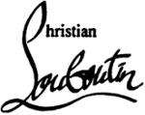 | CHRISTIAN LOUBOUTIN | Protected: Registered/protected | 3, 14 | CLERMON ET ASSOCIES
1372040 |  | CHRISTIAN LOUBOUTIN | Protected: Registered/protected | 25 | CLERMON ET ASSOCIES
1494246 |  | CHRISTIAN LOUBOUTIN | Registered: Registered/protected | 9, 14, 16 | CLERMON ET ASSOCIES
1494249 | 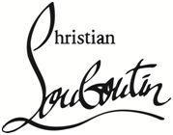 | CHRISTIAN LOUBOUTIN | Registered: Registered/protected | 9, 16 | CLERMON ET ASSOCIES
2315568 | 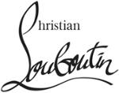 | CHRISTIAN LOUBOUTIN | Protected: Registered/protected | 9, 14, 18, 25, 28 | CLERMON ET ASSOCIES
2494901 |  | FÉTICHE CHRISTIAN LOUBOUTIN | Protected: Registered/protected | 3 | CLERMON ET ASSOCIES
2632790 |  | CHRISTIAN LOUBOUTIN | Protected: Registered/protected | 3, 4, 9, 14, 16, 18, 25, 28, 35 | CLERMON ET ASSOCIES
2635211 |  | CL CHRISTIAN LOUBOUTIN | Published: Under examination | 25 | CLERMON ET ASSOCIES

