Search Results
Search Results |  | Total | 2

Number | Visual representation | Words | Status | Goods & Services classes | Owner
659646 | 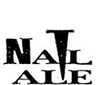 | NAIL ALE | Removed - Not renewed: Renewal fee not paid | 32 | Nail Brewing Australia Pty Ltd
671131 |  | NAIL ALE | Removed - Not renewed: Renewal fee not paid | 25 | John Stallwood

