Search Results
Search Results |  | Total | 38

Number | Visual representation | Words | Status | Goods & Services classes | Owner
586566 |  |  | Registered: Registered/protected | 11 | SAI Global Pty Ltd
591335 |  |  | Registered: Registered/protected | 21 | SAI Global Pty Ltd
591337 |  |  | Registered: Registered/protected | 19 | SAI Global Pty Ltd
591338 |  |  | Registered: Registered/protected | 17 | SAI Global Pty Ltd
591341 |  |  | Registered: Registered/protected | 12 | SAI Global Pty Ltd
591342 |  |  | Registered: Registered/protected | 11 | SAI Global Pty Ltd
591344 |  |  | Registered: Registered/protected | 9 | SAI Global Pty Ltd
604417 | 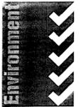 | ENVIRONMENT | Registered: Registered/protected | 35 | SAI Global Pty Ltd
740328 | 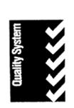 | QUALITY SYSTEM | Registered: Renewal due | 35, 36, 37, 38, 39, 40, 41, 42 | SAI Global Pty Ltd
888564 |  | HACCPTOWN YOUR FOOD SAFETY COMMUNITY WWW.HACCPTOWN.COM | Registered: Registered/protected | 35, 42 | SAI Global Pty Ltd
925954 |  |  | Registered: Registered/protected | 35, 41 | SAI Global Pty Ltd
984574 |  | SAI GLOBAL | Registered: Registered/protected | 16, 35, 41, 42 | SAI Global Pty Ltd
1004095 | 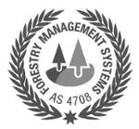 | FORESTRY MANAGEMENT SYSTEMS AS 4708 | Registered: Registered/protected | 42 | SAI Global Pty Ltd
1015481 |  | T | Registered: Registered/protected | 6, 11, 17, 19 | SAI Global Pty Ltd
1015519 |  | QUALITY SYSTEM | Registered: Registered/protected | 35 | SAI Global Pty Ltd
1094769 |  | GAS SAFETY CERTIFIED | Registered: Registered/protected | 42 | SAI Global Pty Ltd
1265281 |  | SAI GLOBAL | Protected: Registered/protected | 9, 16, 35, 41, 42, 45 | SAI Global Pty Ltd
1265282 |  | SAI GLOBAL | Protected: Registered/protected | 9, 16, 35, 41, 42, 45 | SAI Global Pty Ltd
1315523 | 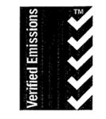 | VERIFIED EMISSIONS | Registered: Registered/protected | 35, 42 | SAI Global Pty Ltd
1322768 |  | AFS ADVANCINGFOODSAFETY | Registered: Registered/protected | 16, 41 | SAI Global Pty Ltd
1574496 |  |  | Registered: Registered/protected | 1, 2, 4, 6, 7, 8, 9, 10, 11, 12, 16, 17, 19, 20, 21, 22, 24, 25, 28 | SAI Global Pty Ltd
1574511 | 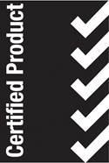 | CERTIFIED PRODUCT | Registered: Registered/protected | 1, 2, 4, 6, 7, 8, 9, 10, 11, 12, 16, 17, 19, 20, 21, 22, 24, 25, 28 | SAI Global Pty Ltd
1574539 |  |  | Registered: Registered/protected | 35, 36, 37, 38, 39, 40, 41, 42, 43, 44, 45 | SAI Global Pty Ltd
1574545 | 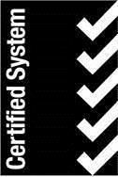 | CERTIFIED SYSTEM | Registered: Registered/protected | 35, 42 | SAI Global Pty Ltd
1574547 |  | VERIFIED | Registered: Registered/protected | 35, 42 | SAI Global Pty Ltd
1604956 |  | SAI GLOBAL | Registered: Registered/protected | 9, 16, 35, 36, 41, 42, 44, 45 | SAI Global Pty Ltd
1604957 |  |  | Registered: Registered/protected | 9, 16, 35, 36, 41, 42, 44, 45 | SAI Global Pty Ltd
1604958 |  | SAI GLOBAL | Registered: Registered/protected | 9, 16, 35, 36, 41, 42, 44, 45 | SAI Global Pty Ltd
667437 |  | LABORATORY | Removed - Not renewed: Renewal fee not paid | 42 | SAI Global Pty Ltd
908043 |  | AUSTRALIAN QUALITY COUNCIL | Removed - Not renewed: Renewal fee not paid | 35 | SAI Global Pty Ltd
908044 | 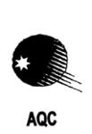 | AQC | Removed - Not renewed: Renewal fee not paid | 35 | SAI Global Pty Ltd
1015544 |  | CERTIFIED PRODUCT | Removed - Not renewed: Renewal fee not paid | 9, 10, 11, 12, 17, 19, 21 | SAI Global Pty Ltd
1028602 | 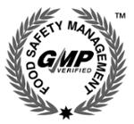 | FOOD SAFETY MANAGEMENT GMP VERIFIED | Removed - Not renewed: Renewal fee not paid | 42 | SAI Global Pty Ltd
1028941 | 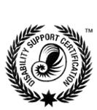 | DISABILITY SUPPORT CERTIFICATION | Removed - Not renewed: Renewal fee not paid | 42 | SAI Global Pty Ltd
1028968 |  | MARKET AND SOCIAL RESEARCH | Removed - Not renewed: Renewal fee not paid | 42 | SAI Global Pty Ltd
1082213 |  | OCCAM | Removed - Not renewed: Renewal fee not paid | 35 | SAI Global Pty Ltd
1389180 |  |  | Removed - Not renewed: Renewal fee not paid | 16, 35, 41, 42 | SAI Global Pty Ltd
1794558 |  | INTELLIGENT RISK | Lapsed: Not accepted | 16, 35, 36, 41 | SAI Global Pty Ltd

