Search Results
Search Results |  | Total | 23

Number | Visual representation | Words | Status | Goods & Services classes | Owner
721162 | 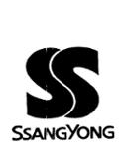 | SS SSANGYONG | Registered: Renewal due | 9, 19 | Ssangyong Cement Industrial Co., Ltd
880095 | 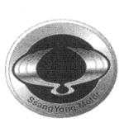 | SSANGYONG MOTOR | Registered: Registered/protected | 12 | KG Mobility Corp.
1122111 |  | SSANGYONG | Registered: Expired renewal possible | 12 | KG Mobility Corp.
1279366 |  | SSANGYONG TRADIE | Registered: Registered/protected | 12, 35, 37 | KG Mobility Corp.
1968927 | 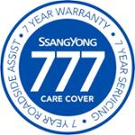 | SSANGYONG 777 CARE COVER 7 YEAR WARRANTY 7 YEAR SERVICING 7 YEAR ROADSIDE ASSIST | Registered: Registered/protected | 37 | KG Mobility Corp.
492871 |  | SSANGYONG KORANDO | Removed - Not renewed: Renewal fee not paid | 12 | Ssangyong Motor Co.
513147 |  | PANTHER | Removed - Not renewed: Renewal fee not paid | 12 | Ssangyong Motor Company
514791 | 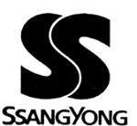 | SS SSANGYONG | Removed - Not renewed: Renewal fee not paid | 12 | Ssangyong Motor Co.
611188 | 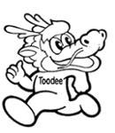 | TOODEE | Removed - Not renewed: Renewal fee not paid | 12 | Ssangyong Motor Company
618788 |  | MUSSO | Removed - Not renewed: Renewal fee not paid | 12 | SsangYong Motor Company
707328 |  | Korando STAMPEDE | Removed - Not renewed: Renewal fee not paid | 12 | SsangYong Motor Company
1383981 |  | WE LIVE DIESEL | Removed - Not renewed: Renewal fee not paid | 12, 35, 37 | SSANGYONG AUTOMOTIVE AUSTRALIA PTY LTD
1741953 |  | SSANGYONG XLV | Ceased - Not renewed: Renewal fee not paid | 12 | KG Mobility Corp.
534099 |  | EL PASO | Lapsed: Not accepted | 12 | SsangYong Motor Company
534101 |  | SCOUT | Lapsed: Not accepted | 12 | SsangYong Motor Company
1277643 |  | "SSANGYONG. WORKS FOR ME" | Lapsed: Not accepted | 12, 35, 37 | Ssangyong Motor Company
1296122 |  | WE DO DIESEL | Lapsed: Not accepted | 12, 35, 37 | Ssangyong Motor Company
1404748 |  | KORANDO SPR | Lapsed: Not accepted | 12 | Ssangyong Motor Company
1404749 |  | SPR | Lapsed: Not accepted | 12, 35 | Sime Darby Ssangyong (Australia) Pty Ltd
1408199 |  | KORANDO SXR | Lapsed: Not accepted | 12 | Ssangyong Motor Company
1455539 |  | A LOT OF CAR. A LITTLE PRICE. | Lapsed: Not accepted | 12, 35 | SSANGYONG AUTOMOTIVE AUSTRALIA PTY LTD
1830509 |  | MUSSO | Withdrawn: Cancelled before protection | 12 | SSANGYONG MOTOR COMPANY
2120738 |  | KORANDO E MOTION | Not protected: Not accepted | 12 | SSANGYONG MOTOR COMPANY

