Search Results
Search Results |  | Total | 12

Number | Visual representation | Words | Status | Goods & Services classes | Owner
1517434 |  | UNITED AUSTRALIA PARTY | Registered: Registered/protected | 35, 41, 42, 45 | Clive Frederick Palmer
1529242 |  | UNITED AUSTRALIA PARTY | Registered: Registered/protected | 35, 41, 42, 45 | Clive Frederick Palmer
1936589 | 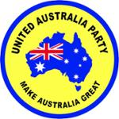 | UNITED AUSTRALIA PARTY MAKE AUSTRALIA GREAT | Registered: Registered/protected | 35, 41, 42, 45 | Clive Frederick Palmer
2051808 |  | Clive Palmer's United Australia Party | Registered: Registered/protected | 35, 41, 42, 45 | Clive Frederick Palmer
2096092 | 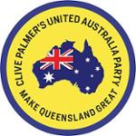 | CLIVE PALMER'S UNITED AUSTRALIA PARTY MAKE QUEENSLAND GREAT | Registered: Registered/protected | 35, 41, 42, 45 | Clive Frederick Palmer
2662738 | 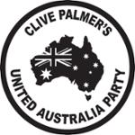 | CLIVE PALMER'S UNITED AUSTRALIA PARTY | Published: Under examination | 35, 41, 42, 45 | Clive Palmer
732533 | 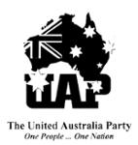 | UAP THE UNITED AUSTRALIA PARTY ONE PEOPLE ... ONE NATION | Lapsed: Registration fee not paid on time | 25 | The United Australia Party Limited
792957 | 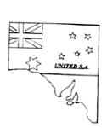 | UNITED SA | Lapsed: Not accepted | 42 | The United Party Of South Australia
1533650 |  | Katter United Australia Party | Lapsed: Not accepted | 41, 45 | MINERALOGY PTY LTD
1668307 |  | Katter United Australia Party | Lapsed: Not accepted | 41, 45 | Mineralogy Pty Ltd
1840393 |  | UAP United Australia Party | Lapsed: Not accepted | 45 | Stuart Kenneth Donald
1840394 |  | Australia United Party | Lapsed: Not accepted | 45 | Stuart Kenneth Donald

