Search Results
Search Results |  | Total | 3

Number | Visual representation | Words | Status | Goods & Services classes | Owner
1932258 | 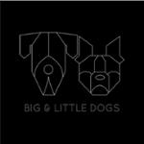 | BIG & LITTLE DOGS | Registered: Registered/protected | 6, 18 | BIG & LITTLE DOGS PTY LTD
1936253 |  | Love & Puppy Kisses | Registered: Registered/protected | 18 | BIG & LITTLE DOGS PTY LTD
1983528 |  | BIG & LITTLE DOGS | Registered: Registered/protected | 18 | BIG & LITTLE DOGS PTY LTD

