Search Results
Search Results |  | Total | 2

Number | Visual representation | Words | Status | Goods & Services classes | Owner
2520510 |  | Bird Flip | Registered: Registered/protected | 16, 18, 21, 25, 38, 41 | Joanna Howe
2520513 | 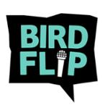 | BIRD FLIP | Registered: Registered/protected | 16, 18, 21, 25, 38, 41 | Joanna Howe

