Search Results
Search Results |  | Total | 1

Number | Visual representation | Words | Status | Goods & Services classes | Owner
2120197 | 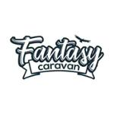 | FANTASY CARAVAN | Registered: Registered/protected | 12 | AUSTRALIAN NATIONAL DISCOVERY PTY LTD

