Search Results
Search Results |  | Total | 22

Number | Visual representation | Words | Status | Goods & Services classes | Owner
1849452 |  | Khalil maamoon Hookah | Registered: Renewal due | 6 | chadi youssef hawchar
1972632 |  | TITANIUM COCONUT COALS | Protected: Registered/protected | 34 | Hookah, Inc.
2023927 | 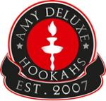 | AMY DELUXE HOOKAHS EST. 2007 | Protected: Registered/protected | 34 | Ibrahim Dabes
2066053 | 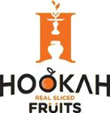 | H HOOKAH REAL SLICED FRUITS | Registered: Registered/protected | 29, 34 | Hookah Fruits Pty Ltd
2088826 |  | FCS HOOKAH SUPPLIES | Registered: Registered/protected | 34 | Fabian Schlegelmilch
2120399 | 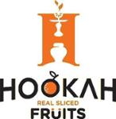 | H HOOKAH REAL SLICED FRUITS | Registered: Registered/protected | 4 | Hookah Fruits Pty Ltd
2300597 | 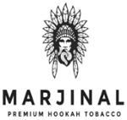 | MARJINAL PREMIUM HOOKAH TOBACCO | Protected: Registered/protected | 34, 35 | ÖMER FARUK YILDIRIM
2329710 | 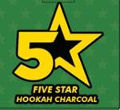 | 5 FIVE STAR HOOKAH CHARCOAL | Registered: Registered/protected | 4 | Imran rana pty ltd
2667636 |  | COCO HOOKAH | Published: Awaiting examination | 4, 34 | Lunexco Pty Ltd
288114 |  | HAPPY HOOKAH | Status not available | 9
1192457 | 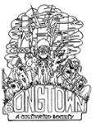 | BONGTOWN A CULTIVATED SOCIETY HOOKAH | Removed - Not renewed: Renewal fee not paid | 16, 21, 25 | Warren Scott Bowra
1595796 |  | ROYALE E-HOOKAH | Removed - Not renewed: Renewal fee not paid | 34 | TRIO BROTHERS TRADING PTY LTD
1665050 |  | OZZY HOOKAH | Removed - Not renewed: Renewal fee not paid | 34, 35 | Ozzy Hookah Pty Ltd
1717524 |  | HOOKAH.COM.AU | Removed - Not renewed: Renewal fee not paid | 35 | Oz Hookah Pty Ltd
440867 |  | PRO-FESSIONAL HOOKAHS | Lapsed: Not accepted | 7 | Pro Manufacturing Pty Ltd.
1290365 |  | Hookah | Lapsed: Not accepted | 34 | ROAD RUNNER COMPANY PTY LTD
1564501 |  | HOOKAH ME UP | Lapsed: Registration fee not paid on time | 34 | Adam Elias Haddad
1618301 |  | E-HOOKAH | Lapsed: Registration fee not paid on time | 34 | Kamil Kosowski
2036453 |  | Hookah Fruits | Lapsed: Not accepted | 34 | Hookah Fruits Pty Ltd
2066054 |  | HOOKAH FRUITS | Lapsed: Not accepted | 29 | Hookah Fruits Pty Ltd
2177251 |  | HOOKAH FRUITS | Lapsed: Not accepted | 29 | Hookah Fruits Pty Ltd
2343491 |  | CROWN TOBACCO | Lapsed: Not accepted | 34 | Crown Hookah PTY LTD

