Search Results
Search Results |  | Total | 3

Number | Visual representation | Words | Status | Goods & Services classes | Owner
1504752 | 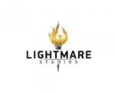 | LIGHTMARE STUDIOS | Removed - Not renewed: Renewal fee not paid | 9, 41, 42 | Lightmare Studios Pty Ltd
1555097 | 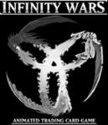 | INFINITY WARS ANIMATED TRADING CARD GAME | Removed - Not renewed: Renewal fee not paid | 9, 16, 41 | Lightmare Studios Pty Limited
1427959 | 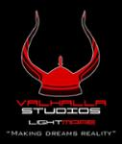 | VALHALLA STUDIOS LIGHTMARE "MAKING DREAMS REALITY" | Lapsed: Not accepted | 9 | Valhalla Studios Lightmare Pty Ltd

